Traffolyte
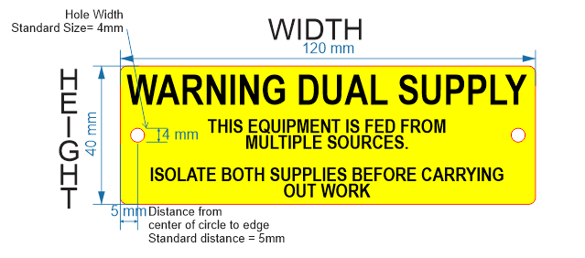

Length (mm) | Height (mm) | No of Holes | Hole Size (mm) | Round corners Y/N | Self Adhesive Y/N | Qty | Label Colour | Text Line 1 | Text Size | Text Line 2 | Text Size | Text Line 3 | Text Size | Text Line 4 | Text Size | Text Line 5 | Text Size | ADDITIONAL INFORMATION
120 | 40 | 2 | 4 | N | Yes | 1 | Yellow/ Black text | WARNING DUAL SUPPLY | 9 | THIS EQUIPMENT IS FED FROM | 4 | MULTIPLE SOURCES | 4 | ISOLATE BOTH SUPPLIES BEFORE | 4 | CARRYING OUT WORK | 4

Stainless Steel
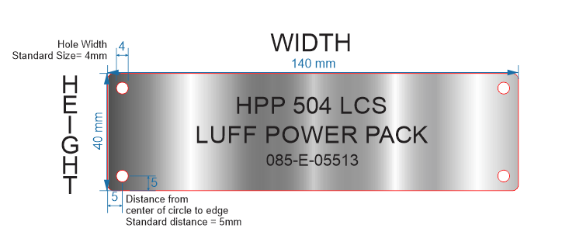
Thickness | Length (mm) | Height (mm) | No of Holes | Hole Size (mm) | Qty | Text Line 1 | Text Size | Text Line 2 | Text Size | Text Line 3 | Text Size | Text Line 4 | Text Size | Text Line 5 | Text Size | Additional Information
1.2 | 140 | 40 | 4 | 4 | 1 | HPP 504 LCS | 6 | LUFF POWER PACK | 6 | 085-E-05513 | 4

